Module 32
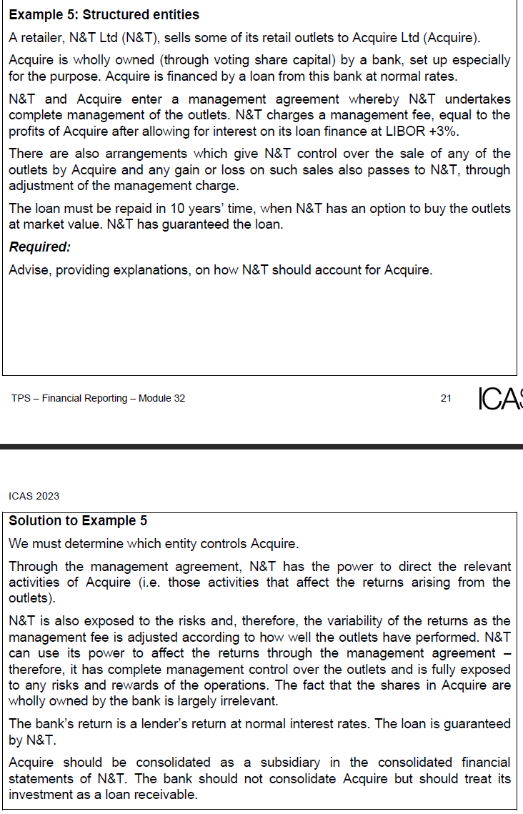
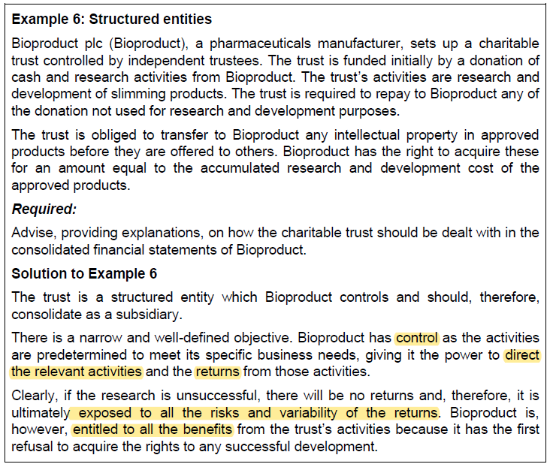
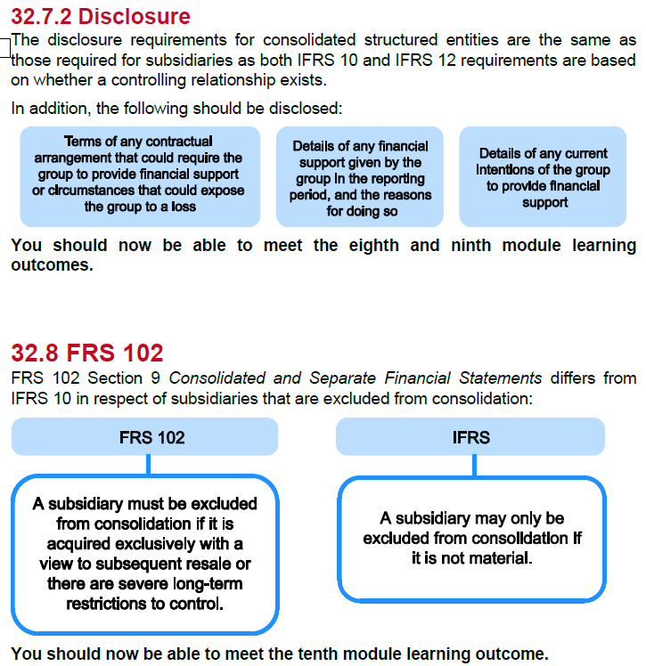
Main
 | Module 32 - Consolidated Financial Statements: Accounting Requirements

 | IFRS 10

 | Power
 | Exposure or rights to variable returns
 | Use of power to effect returns
 | Conslusion

 | Failure to consolidate a subsidiary is one of the most common means of achieving 'off balance sheet finance'
 | eg - borrowing through a subsidiary and not reporting the liability

 | Whilst the net assets of the group may be largely unaffected by the exclusion of both
 | asset and liability, ratios related to debt may be improved significantly, and profits are
 | overstated. As a result, analysts and other users may view the group more
 | favourably.

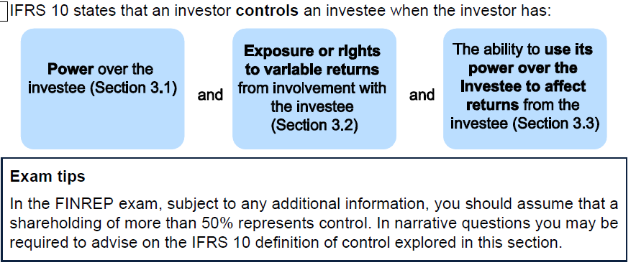

 | Voting rights alone do not indicate power over the company
 | a less than 50 percent holding could have power over a company is all other shareholding are widely dispered
 | an investor holding >50% of voting rights may not have power if another party has power arising from specific contractual rights

 | IFRS 10 requires voting pattersn at previous shareholder meetings are considered when determing whether voting rights indicate power

 | Potential voting rights
 | You can be holding convertible instruments which would in turn give you more than 50% viting rights
 | NCI are based on actual voting rights

 | where power is not determined by voting rights,other rights must be considered.
 | rights to appoint, reassign or remove key mgmt personnel
 | right to direct the investee to enter into, or veto any changes to, transactions for the benefit of the investor
 | decision-making rights specified in a management contract

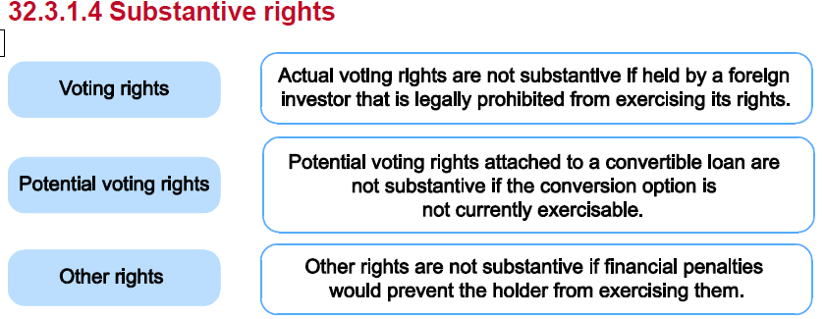

 | Letterman |  |  | votes
 | 1200 | 1000 | A | 1 | 1000 | 1200
 | 500 |  | B | 2 |  | 1000
 |  |  |  |  |  | 2200
 |  |  |  |  |  | 45% | of the votes

 | Shipmaker
 | bonds are convertible and couldbe excerices at year end - so has control of the company
 | the compnay is a subsisidary and should be consolidated
 | but the NCI split is done on the actual ownership - so 60:40

 | 0.41666666667
 | options cannot be excercised, so remains as a non-controlling stake
 | not a subsidiary but may be an associate if significant influence is evident

 | In order to have control, must be exposed to rights to return from investee
 | in the form off

 | Dividend
 | interest from debt
 | Changes in valuation
 | a residual interest on liquidation

 | Ability to use power over the investees
 | can the investor (principal) use power over decisions for agents for their own benefit
 | an agent exerts their power for the benefit of others

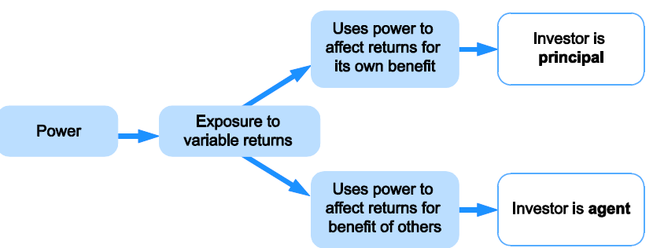

 | principal has control and an agent does not

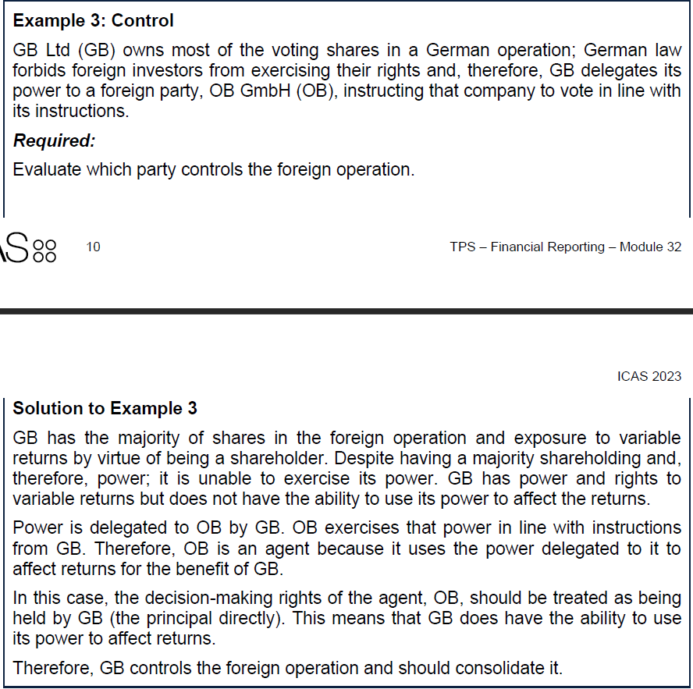

 | A company which is a parent company at YE must prepare consolidated financial statements
 | listed companies have to prepares accounts in line with IFRS
 | other companies can chose to prepare in line with IFRS, CA2006 or UKGAAP

 | CA2006 has a limited number of exemptions to the duty to prepare consolidated financial statements

 | Exemption - small companies regime
 | to be considered small. Two of the following three criteria must be met

 | Gross amounts are the aggregated amounts of parent and subsidiary before eliminations and other consolidations
 | this does not apply for a small group if traded on a public exchange

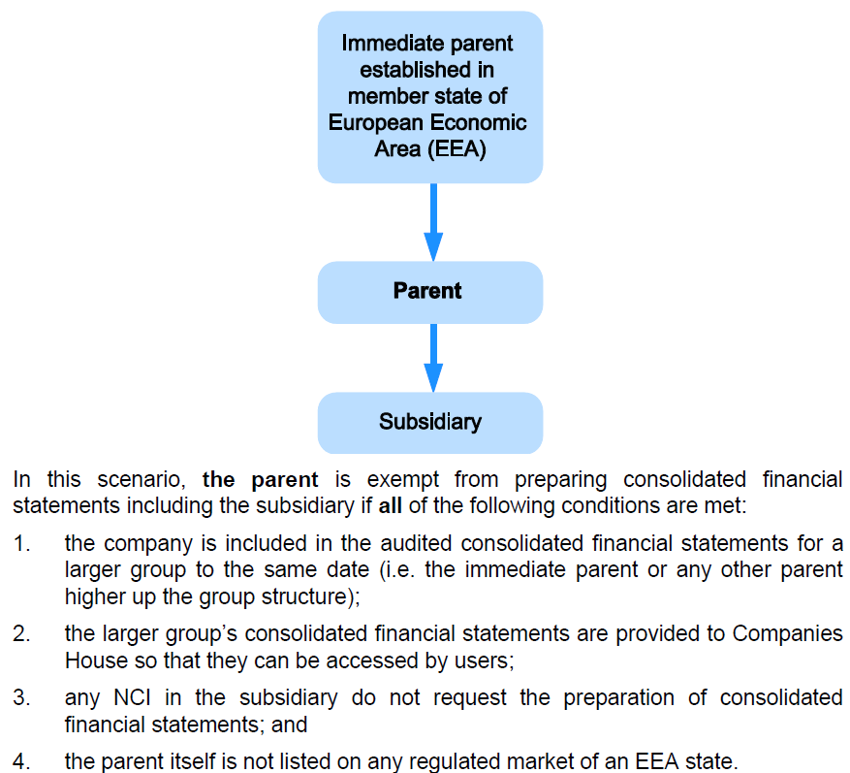

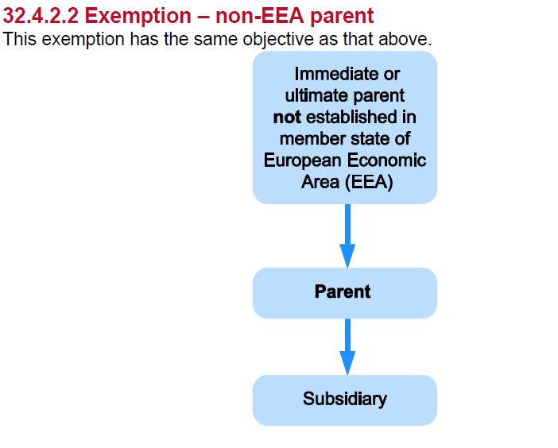

 | If the parent is not EEA member but agrees to comply with the EU's 4th and 7th directives then does not have prepare consol

 | IFRS 10 exemption
 | If wholly owned sub or partially owned sub and all other owners do not object.
 | the investor's debt or equity instruments are not traded publicly
 | the investor's ultimate or any intermediate parent produces publicly avaliable IFRS financial statements

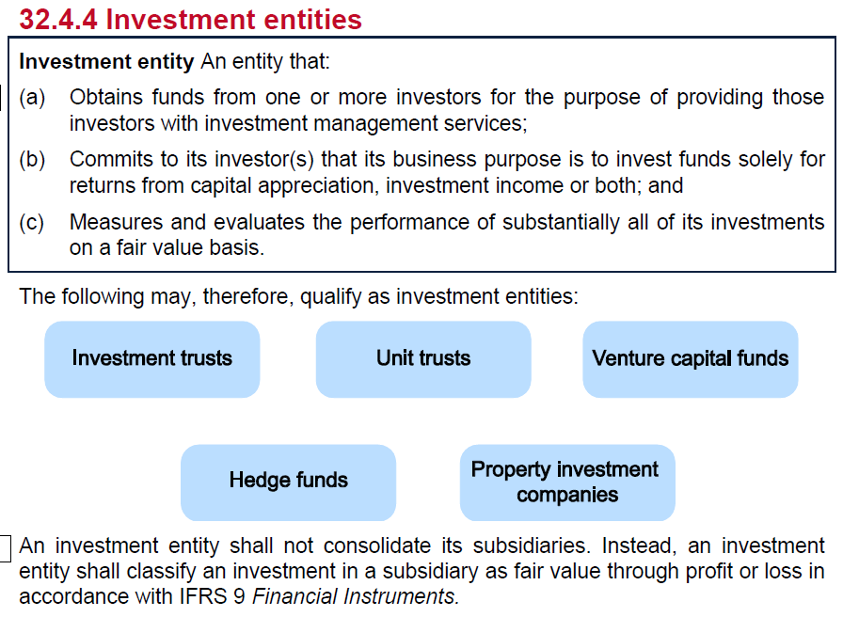

 | Example 4

 | Orian | Germany | EEA
 | Leadman | France | EEA
 | Spinnaker | UK |  | exempt from consol. Orian will consol

 | Orian | Spain | EEA
 | Leadman | Brazil | no
 | Spinnaker | UK |  | ultimate parent is in EEA so can rely on Orian's consol

 | Orian | Brazil
 | Leadman | Italy
 | Spinnaker | UK | cannot rely on Brazil consol. Leadman does not consol. Therefore - Spinnaker will have to produce consol

 | Orian
 | Leadman
 | Spinnaker | UK | investment entity

 | Spinnaker is an investment entity
 | If Spinnaker is an investment entity, under IFRS 10 it is exempt from preparing consolidated financial statements. Instead, it must classify its investments in subsidiaries in its individual financial statements at fair value through profit or loss.

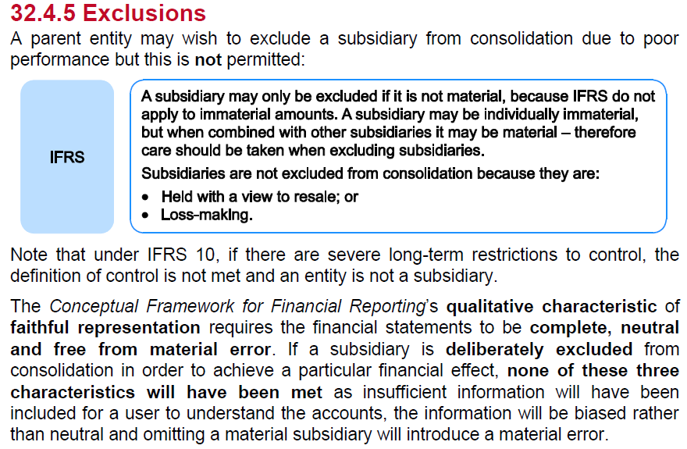

 | Need to use the same financial reporting framework for all parent and sub statements
 | Uniform accounting policies must be applied by a parent and subsidiary for the purpose of consolidation

 | adjust overseas and different GAAP accounts

 | Reporting dates
 | try and match them up if practiable to do so
 | otherwise, fine if within 3 months of parent co YE
 | just be sure to adjust for any significant transactions

 | intragroup losses may represent an impairment loss and require recognition

 | An entity is a subsidiary and is consolidated for the period it is controlled

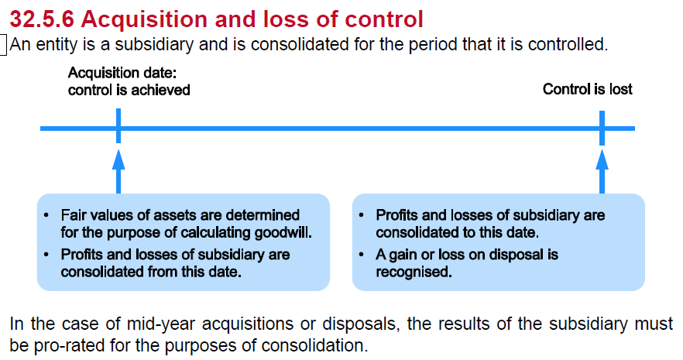

 | Where a subsidiary is acquired in stages the fair value of its net assets and the cost of the investment should be determined at the date control is acquired.
 | Any previous holding is remeasured to fair value with a gain or loss recognised in profit or loss or other comprehensive income, as appropriate.

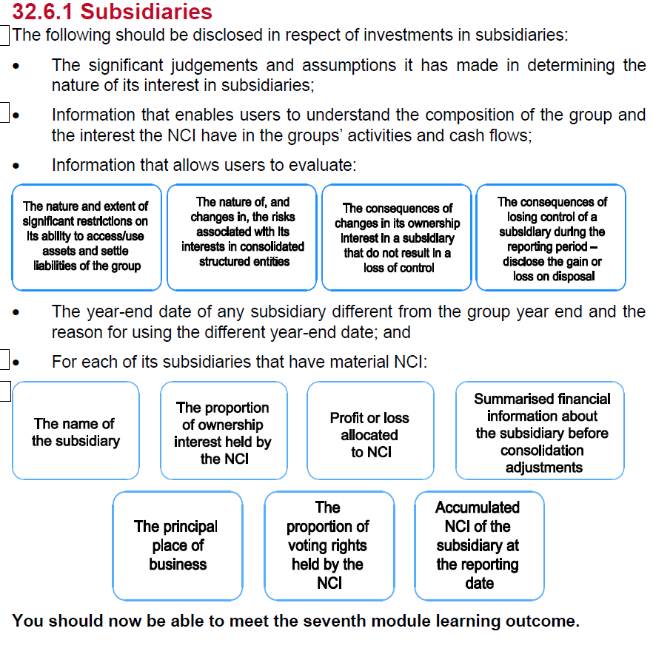

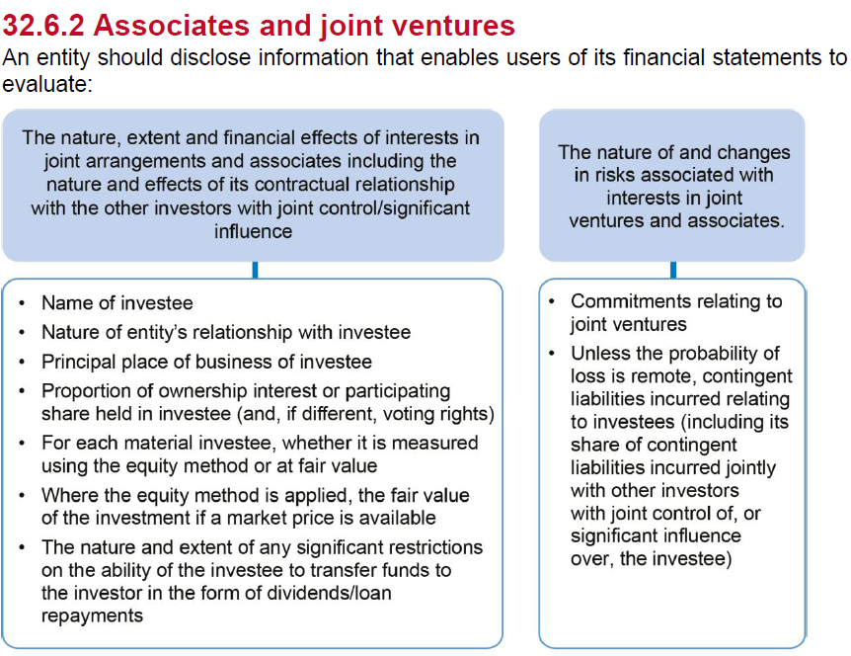

 | Strucutred entities

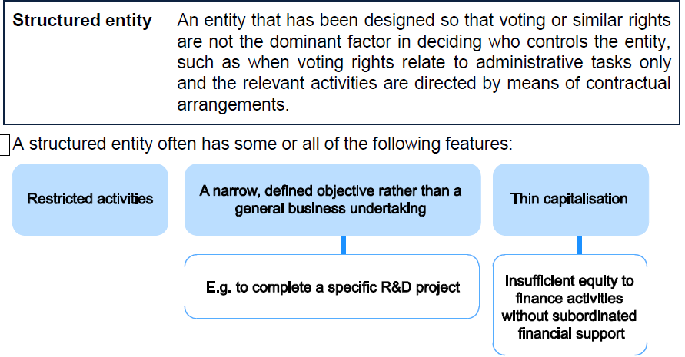

 | all entities controlled by a parent need to be consolidated
 | substance over form when determining control

